Spec sheet
YOUR BRAND HERE |  |  |  | P | SIZE BREAK: | XS - XL | Season: | SUMMER 20.. |  | Width (cm): | Yield (m):
 |  |  |  |  |  |  | Fabric: | ATHENA |  | 150cm | 1.35
Style: | A12345 |  |  | Name: | A DRESS |  | Contrast: | X
 |  |  |  |  |  |  | Lining: | X
colourways: | BLACK |  |  |  |  |  | Fusing: | X
 |  |  |  |  |  |  | Contrast 2: | X
 |  |  |  |  |  |  | Thread: | Black
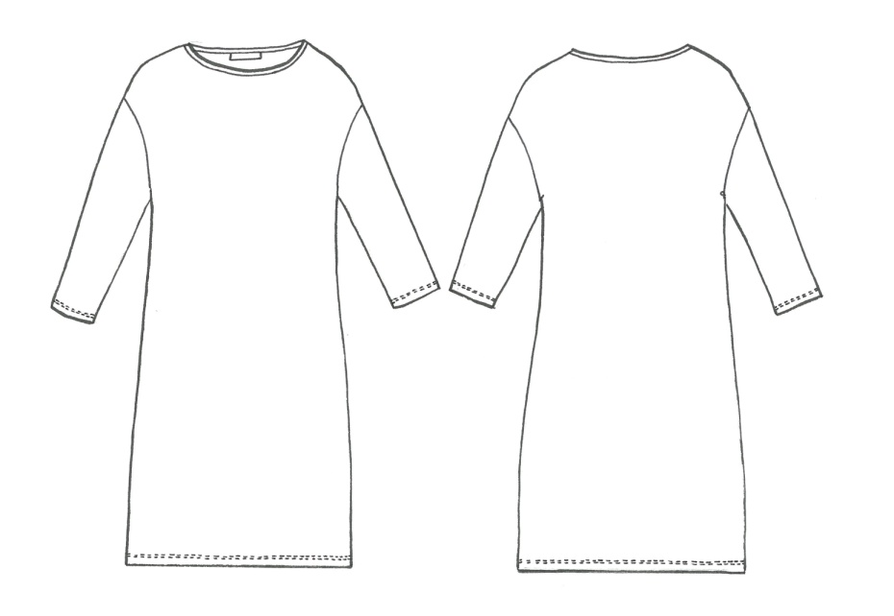
 |  |  |  |  |  |  | Seams: | 7mm Seams 4 thread safety
 |  |  |  |  |  |  | except: | 6mm at neck
 |  |  |  |  |  |  | Darts: | x

 |  |  |  |  |  |  | Label: | YOUR BRAND & size pip
 |  |  |  |  |  |  | Light: | CB neck
 |  |  |  |  |  |  | care label: | at inside left sideseam
 |  |  |  |  |  |  |  | 15cm up from hem

 |  |  |  |  |  |  | Button: | X
 |  |  |  |  |  |  | Qty:
 |  |  |  |  |  |  | Supplier:

 |  |  |  |  |  |  | Elastic: | x
NECK BINDING IN SELF - STRAIGHT GRAIN
 |  |  |  |  |  |  | Binding: | CUT IN LAY TO FINISH 7MM ON OUTSIDE
 |  |  |  |  |  | UNLINED | 35MM
Sample: |  |  |  |  |  |  | Finishing: | PRESS GARMENT
Colour: | BLACK |  |  |  |  |  |  | DRESS HANGER & FOAM
Base size: | M |  |  | Date: | X.XX.XX
Finished Measurements (in cm): |  |  |  |  |  | Grade: | XS | S | M | L | XL

1/2 FRONT NECK |  |  |  |  |  | 0.313 | 16.1 | 16.4 | 16.7 | 17 | 17.5
1/2 BACK NECK |  |  |  |  |  | 0.313 | 11.9 | 12.2 | 12.5 | 12.8 | 13.3

Construction Details:

NECK BINDING: |  | FOLDED TO FINISH NECK BINDING 7MM WIDE, INSIDE AND OUTSIDE
SLEEVE HEM: |  | 1.5CM FLATLOCK
HEM: |  | 1.5CM FLATLOCK

MATCH STRIPES AT SIDE SEAMS

*Important Production Notes*
Please ensure all garments are neatly clipped and trimmed prior to delivery
A first off garment is to be provided and approved before bulk production can commence 5 working days with in receiving the cut
Colourways: |  |  |  |  |  |  |  |  |  | Care Label:
BLACK |  |  | 0 |  |  | 0 |  | 0

